CA samples
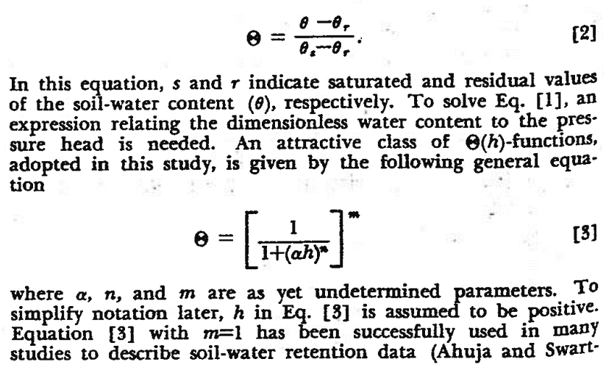
California
Orange County |  | Valley Sub, Tunnel 25
Cell |  | Cell
Height (cm) | 6.597 | Height (cm) | 6.597
Diameter (cm) | 6.175 | Diameter (cm) | 6.175
Area (cm2) | 29.947722844 | Area (cm2) | 29.947722844
Volume (cc) | 197.5651276 | Volume (cc) | 197.5651276

Sample |  | Sample
Initial WC | 0 | Initial WC | 0
M sample (g) | 170.06 | M sample (g) | 170
H1 | 3.41 | H1 | 3.202
H2 | 3.386 | H2 | 3.23
H3 | 3.27 | H3 | 3.27
H to top of sample (cm) | 3.3553333333 | H to top of sample (cm) | 3.234
H sample (cm) | 3.2416666667 | H sample (cm) | 3.363
V sample (cc) | 97.080534887 | V sample (cc) | 100.71419193
Dry Gamma (g/cc) | 1.7517414814 | Dry Gamma (g/cc) | 1.6879448343 |  | Van Genuchten Fitting Parameter Calculator |  |  |  |  |  |  |  | Van Genuchten Modeled
Gs | 2.6 | Gs | 2.7 |  | Pressure, h (kPa) | Volumetric Water Content, Θ | Θ, measured | α (1/kPa) | n | m | Θ, calculated | Sqr. Error | Pressure, h (kPa) | Volumetric Water Content, Θ | Pressure, h (kPa) | Volumetric Water Content, Θ
Gamma,w (g/cc) | 1 | Gamma,w (g/cc) | 1 |  | 0 | 0.33 | 1 | 0.598 | 2.61 | 0.61685823755 | 1 | 0 | 0.0001 | 0.33 | 0.000001 | 0.37
e | 0.48423727335 | e | 0.59957834234 |  | 0.6 | 0.31 | 0.94910078045 | 0.05862745098 |  |  | 0.95973666664 | 0.00011312207495 | 0.001 | 0.33 | 0.00001 | 0.37
n | 0.3263 | n | 0.3748 |  | 90 | 0.07 | 0.15584644938 |  |  |  | 0.0016337007993 | 0.023781571824 | 0.004 | 0.33 | 0.00005 | 0.37
np | 0.3263 | np | 0.3748 |  |  |  |  |  |  |  |  | 0.023894693899 | 0.008 | 0.33 | 0.0001 | 0.37
Sample Saturated |  | Sample Saturated |  |  |  |  |  |  |  |  |  |  | 0.01 | 0.33 | 0.001 | 0.37
So (%) | 100% | So (%) | 100% |  | Pressure, h (kPa) | Volumetric Water Content, Θ | Θ, measured | α (1/kPa) | n | m | Θ, calculated | Sqr. Error | 0.02 | 0.33 | 0.004 | 0.37
Wgrav, sat (%) | 18.62% | Wg, sat (%) | 22.21% |  | 0 | 0.37 | 1 | 0.05 | 1.82 | 0.45054945055 | 1 | 0 | 0.03 | 0.33 | 0.008 | 0.37
Mw, sat (g) | 31.672842579 | Mw, sat (g) | 37.751228962 | 17 | 4 | 0.37 | 0.96436961629 | 0.0049019607843 |  |  | 0.97681648156 | 0.00015492445521 | 0.04 | 0.33 | 0.01 | 0.37
Vw, sat (cc) | 31.672842579 | Vw, sat (cc) | 37.751228962 | 20.751228962 | 290 | 0.12 | -0.0049148759227 |  |  |  | 0.11121873797 | 0.013487016275 | 0.08 | 0.33 | 0.02 | 0.37
Mw, added (g) |  | Mw, added (g) | 39.11 |  |  |  |  |  |  |  |  | 0.01364194073 | 0.1 | 0.33 | 0.03 | 0.37
Wvol, sat max (%) | 32.63% | Wvol, sat max (%) | 37.48% |  |  |  |  |  |  |  |  |  | 0.2 | 0.33 | 0.04 | 0.37
Fitted SWCC via Van Genuchten, 1980
Sample Residual |  | Sample Residual |  |  |  |  |  |  |  |  |  |  | 0.4 | 0.32 | 0.08 | 0.37
Mc (g) | 35.64 | Mc (g) | 29.48 |  |  |  |  |  |  |  |  |  | 0.6 | 0.32 | 0.1 | 0.37
Mc+wet (g) | 211.71 | Mc+wet (g) | 213.92 |  |  |  |  |  |  |  |  |  | 0.8 | 0.31 | 0.2 | 0.37
Mc+dry (g) | 204.28 | Mc+dry (g) | 199.23 |  |  |  |  |  |  |  |  |  | 1 | 0.29 | 0.4 | 0.37
Mwr (g) | 7.43 | Mwr (g) | 14.69 |  |  |  |  |  |  |  |  |  | 3 | 0.16 | 0.6 | 0.37
Msr (g) | 168.64 | Msr (g) | 169.75 |  |  |  |  |  |  |  |  |  | 5 | 0.11 | 0.8 | 0.37
Wgrav, r (%) | 4.41% | Wg, r (%) | 8.65% |  |  |  |  |  |  |  |  |  | 8 | 0.09 | 1 | 0.37
Mwr,true (g) | 7.4925628558 | Mwr,true (g) | 14.711634757 |  |  |  |  |  |  |  |  |  | 10 | 0.08 | 3 | 0.37
Vwr, (cc) | 7.4925628558 | Vwr, (cc) | 14.711634757 |  |  |  |  |  |  |  |  |  | 13 | 0.08 | 5 | 0.37
Wvol, r max (cc) | 7.72% | Wvol, r max (cc) | 14.61% |  |  |  |  |  |  |  |  |  | 17 | 0.08 | 8 | 0.36
Bubble Trap0 | 10.50 | Bubble Trap0 | 11.00 |  |  |  |  |  |  |  |  |  | 20 | 0.07 | 10 | 0.35
Bubble TrapF | 10.3 | Bubble TrapF | 8.3 |  |  |  |  |  |  |  |  |  | 50 | 0.07 | 13 | 0.34
rate of diffused air (g/g) | 0.007 | rate of diffused air (g/g) | 0.106 |  |  |  |  |  |  |  |  |  | 75 | 0.07 | 17 | 0.32
 |  |  |  |  |  |  |  |  |  |  |  |  | 100 | 0.07 | 20 | 0.31
RETC |  |  |  |  |  |  |  |  |  |  |  |  | 150 | 0.07 | 50 | 0.23
Sat |  | Sat |  |  |  |  |  |  |  |  |  |  | 200 | 0.07 | 75 | 0.20
Pressure (kPa) | 0 | Pressure (kPa) | 0 |  |  |  |  |  |  |  |  |  | 250 | 0.07 | 100 | 0.19
Mw, expelled (g) | 0 | Mw, expelled (g) | 0 |  |  |  |  |  |  |  |  |  | 500 | 0.07 | 150 | 0.17
Mw, retained (g) | 31.672842579 | Mw, retained (g) | 37.751228962 |  |  |  |  |  |  |  |  |  | 1000 | 0.07 | 200 | 0.16
Vw, retained (cc) | 31.672842579 | Vw, retained (cc) | 37.751228962 |  |  |  |  |  |  |  |  |  | 2000 | 0.07 | 250 | 0.15
Wvol, 1kPa (%) | 32.6% | Wvol, 1kPa (%) | 37.5% |  |  |  |  |  |  |  |  |  | 4000 | 0.07 | 500 | 0.14
Bulk Sample Weight, 1kPa (g/cc) | 1.9789991857 | Bulk Sample Weight, 1kPa (g/cc) | 2.0380395561 |  |  |  |  |  |  |  |  |  | 8000 | 0.07 | 1000 | 0.13
Small Increment |  | Small Increment |  |  |  |  |  |  |  |  |  |  | 16000 | 0.07 | 2000 | 0.13
Pressure (kPa) | 0.6 | Pressure (kPa) | 4 |  |  |  |  |  |  |  |  |  | 32000 | 0.07 | 4000 | 0.12
Mw, expelled (g) | 1.5 | Mw, expelled (g) | 0.91 |  |  |  |  |  |  |  |  |  | 64000 | 0.07 | 8000 | 0.12
Mw, retained (g) | 30.172842579 | Mw, retained (g) | 36.841228962 |  |  |  |  |  |  |  |  |  | 128000 | 0.07 | 16000 | 0.12
Vw, retained (cc) | 30.172842579 | Vw, retained (cc) | 36.841228962 |  |  |  |  |  |  |  |  |  | 256000 | 0.07 | 32000 | 0.12
Wvol, 1kPa (%) | 31.1% | Wvol, 1kPa (%) | 36.6% |  |  |  |  |  |  |  |  |  | 512000 | 0.07 | 64000 | 0.12
Bulk Sample Weight, 1kPa (g/cc) | 1.9642841857 | Bulk Sample Weight, 1kPa (g/cc) | 2.0291124561 |  |  |  |  |  |  |  |  |  | 1024000 | 0.07 | 128000 | 0.12
Large Increment |  | Large Increment |  |  |  |  |  |  |  |  |  |  | 2024000 | 0.07 | 256000 | 0.12
Pressure (kPa) | 90 | Pressure (kPa) | 290 |  |  |  |  |  |  |  |  |  | 4048000 | 0.07 | 512000 | 0.12
Mw, expelled (g) | 29.47 | Mw, expelled (g) | 25.54 |  |  |  |  |  |  |  |  |  | 8096000 | 0.07 | 1024000 | am
Mw, retained (g) | 2.2028425789 | Mw, retained (g) | 12.211228962 |  |  |  |  |  |  |  |  |  | 16192000 | 0.07 | 2024000 | 0.12
Vw, retained (cc) | 2.2028425789 | Vw, retained (cc) | 12.211228962 |  |  |  |  |  |  |  |  |  |  |  | 4048000 | 0.12
Wvol, 1kPa (%) | 2.3% | Wvol, 1kPa (%) | 12.1% |  |  |  |  |  |  |  |  |  |  |  | 8096000 | 0.12
Bulk Sample Weight, 1kPa (g/cc) | 1.6898984857 | Bulk Sample Weight, 1kPa (g/cc) | 1.7874921561 |  |  |  |  |  |  |  |  |  |  |  | 16192000 | 0.12

Hieght of Stone (cm) | 0.386 | Hieght of Stone (cm) | 0.386
Hieght of Stone + Soil (cm) | 3.6276666667 | Hieght of Stone + Soil (cm) | 3.749

Permiabillity |  | Permiabillity
D avg (cm) | 6.35 | D avg (cm) | 6.35
H avg (cm) | 9.86 | H avg (cm) | 9.86
Area (cm2) | 31.68 | Area (cm2) | 31.68
Volume (cc) | 312.26 | Volume (cc) | 312.26

Mass Solids (g) |  | Mass Solids (g)
Gs | 2.6 | Gs | 2.7
V, bulk (cc) | 211.57 | V, bulk (cc) | 211.57
V, solids (cc) | 0.00 | V, solids (cc) | 0.00
V, voids (cc) | 211.57 | V, voids (cc) | 211.57
n, actual | 1.0000 | n, actual | 1.0000
n, target | 0.3263 | n, target | 0.3748
H required (cm) | 6.68 | H required (cm) | 6.68

